Best Case
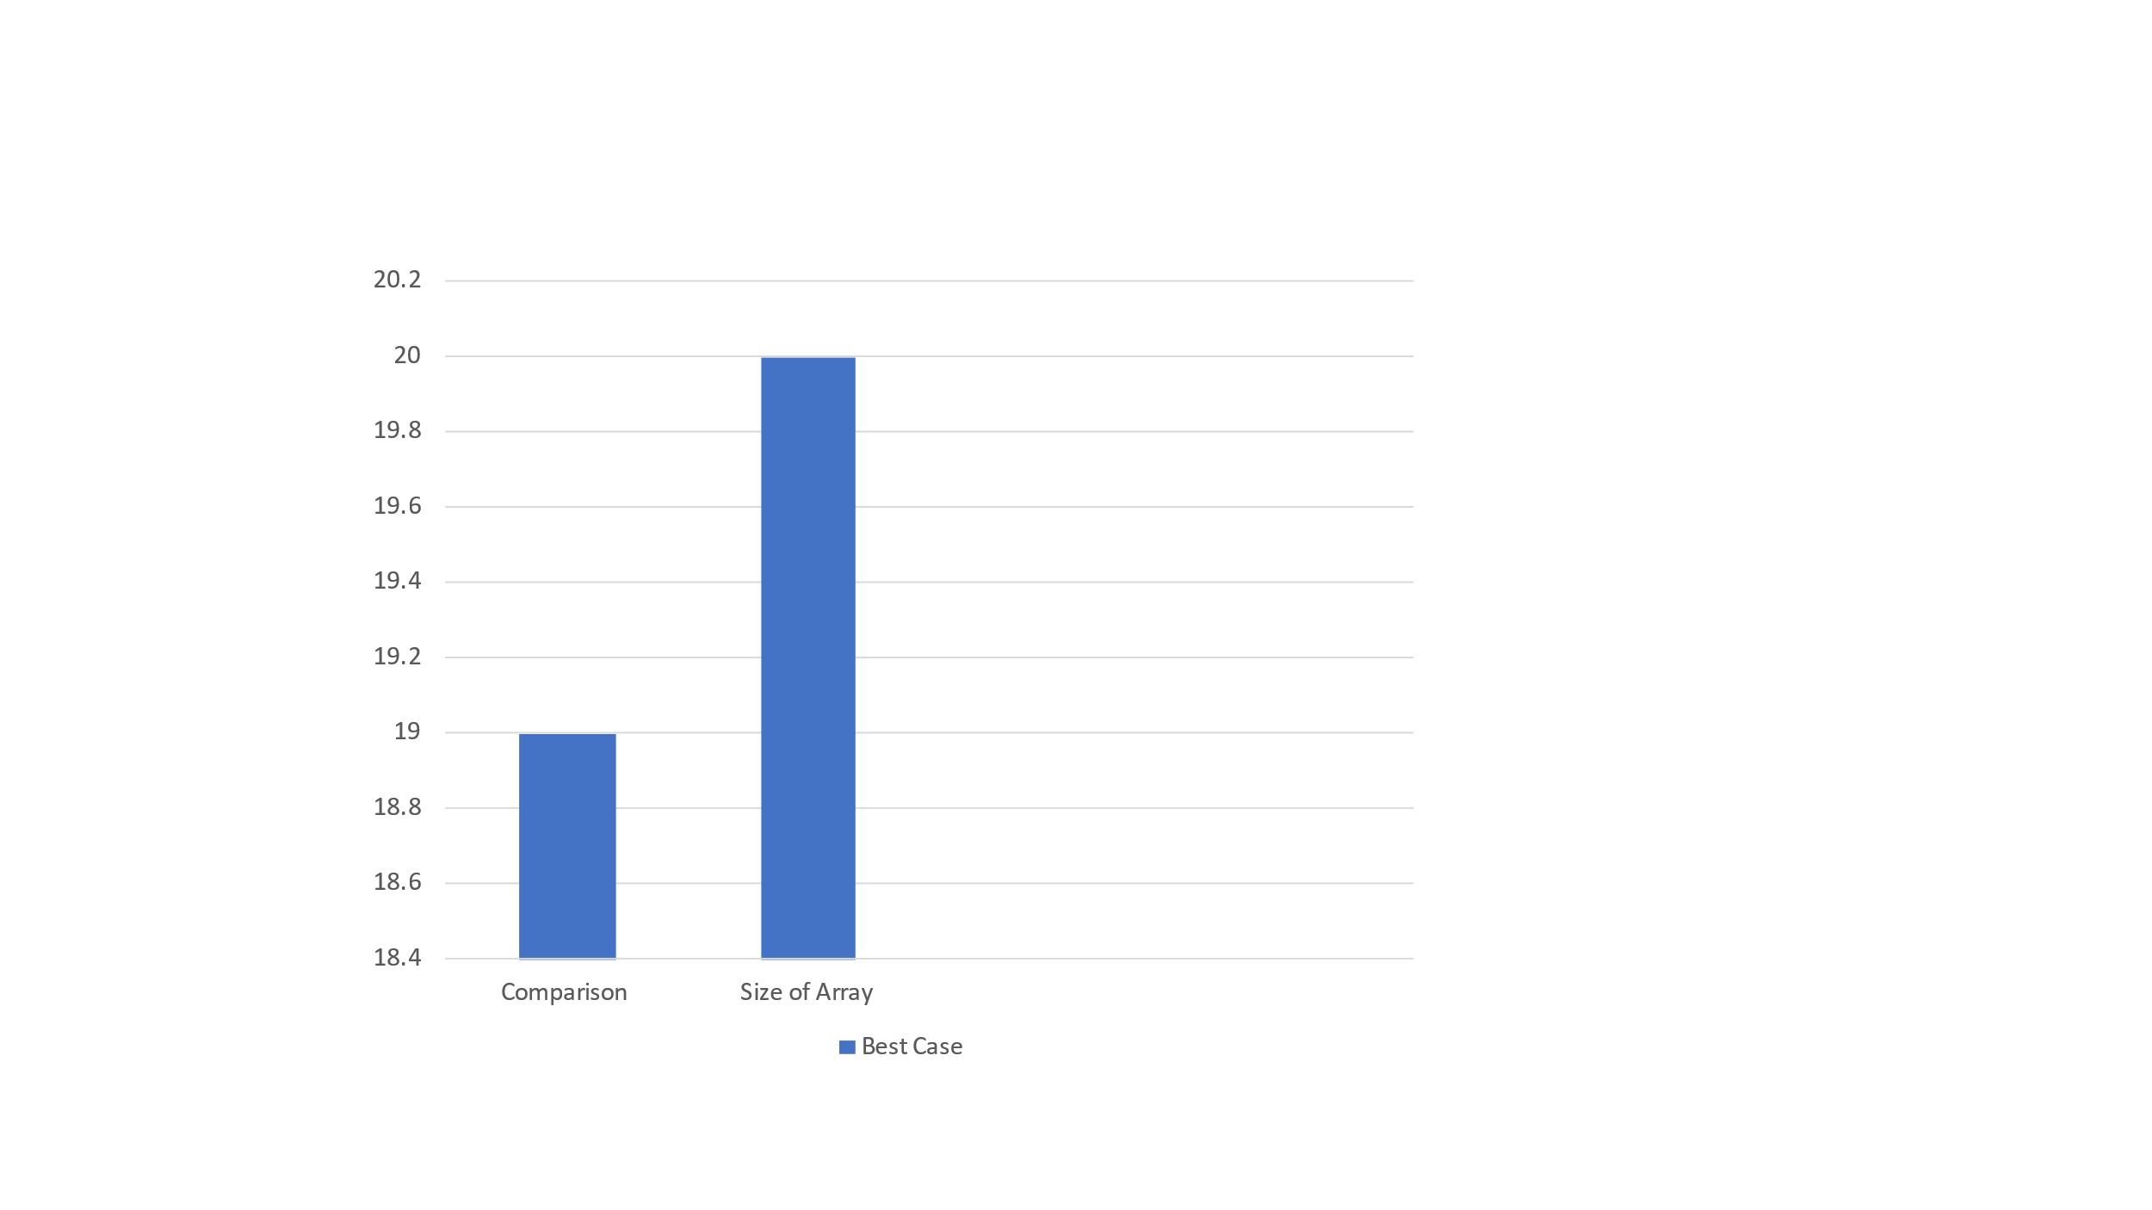
enter the size of array for best case:20
Array for Best case:
97 280 286 301 317 378 434 441 444 467 492 570 601 619 652 689 756 795 865 902

no of comparison for insertion sort:19

97 280 286 301 317 378 434 441 444 467 492 570 601 619 652 689 756 795 865 902

